GIT Setup
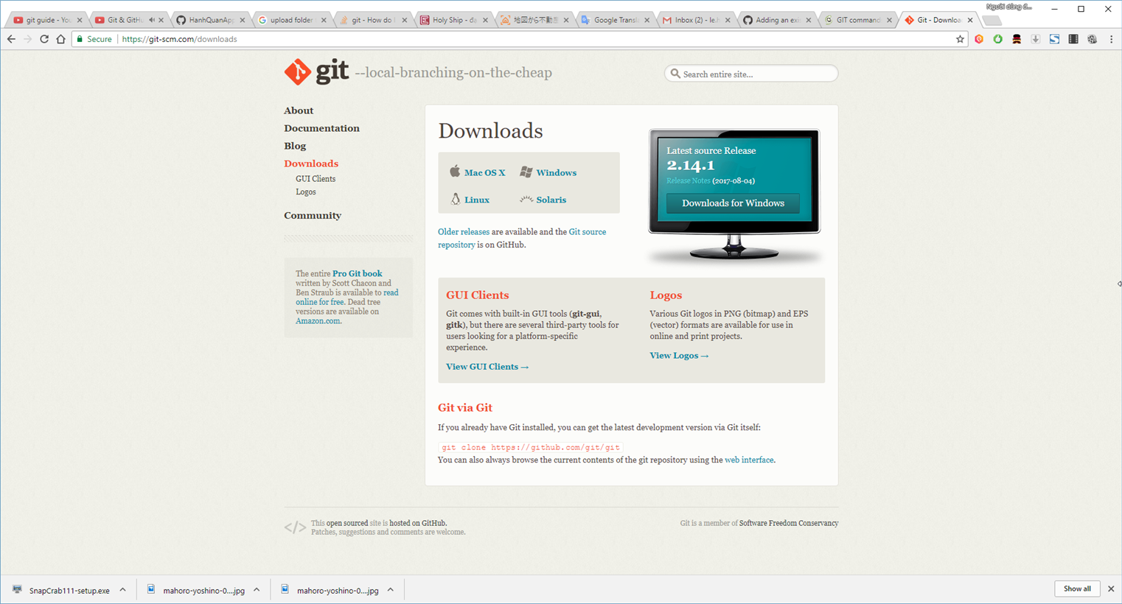
HOME |  |  | HQProduction | TOP

Step: |  | Link:
1. Install Git |  | https://git-scm.com/downloads
2. Install GitHub
3. Setup GitHub
4. Setup Git Local

 | 1. Install Git
 | Download Git at | https://git-scm.com/downloads

